bfsGraph
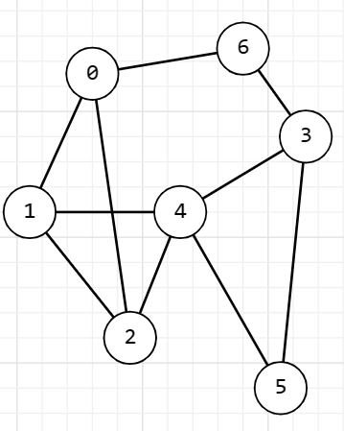
Vertex | adjList[vertex] | queue Before | Queue After | Result
2 | 1-0-4 | 1-0-4 | [1] 0-4 | 2-1
1 | 0-2-4 | 0-4 | [0] 4-0-4 | 2-1-0
0 | 1-6-2 | 4-0-4 | [4] 0-4-6 | 2-1-0-4
4 | 1-2-3-5 | 0-4-6 | (0-4)* [6]-3-5 | 2-1-0-4-6
6 | 0-3 | 3-5 | [3] 5-3 | 2-1-0-4-6-3
3 | 5-4-6 | 5-3 | [5] 3-5 | 2-1-0-4-6-3-5
5 | 3-4 | 3-5 | [] | 2-1-0-4-6-3-5

* - visited vertices

